Season
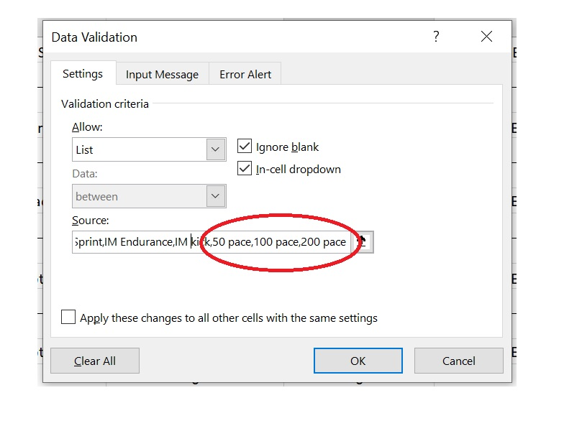
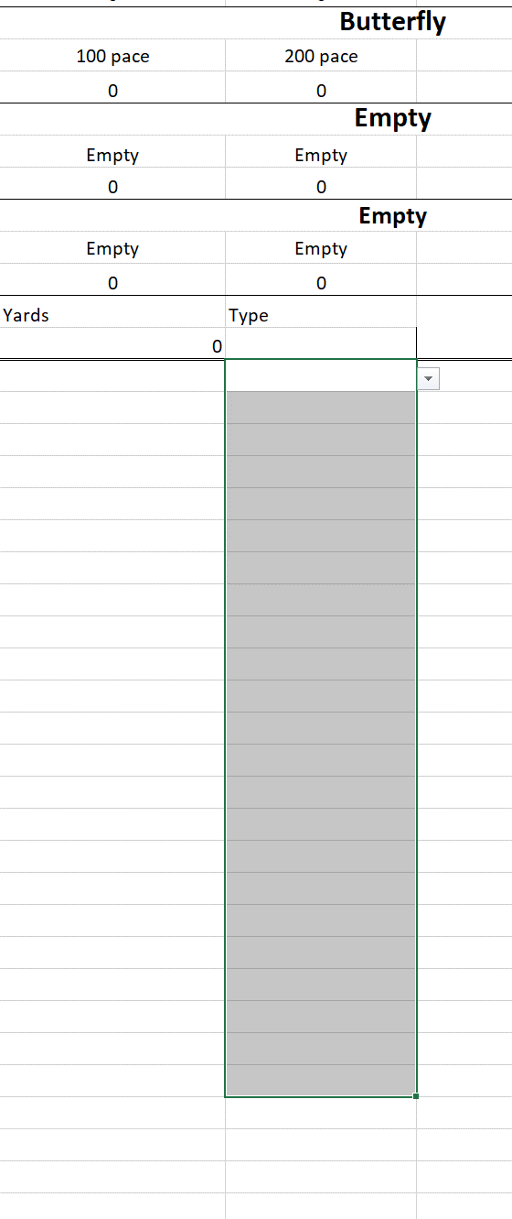
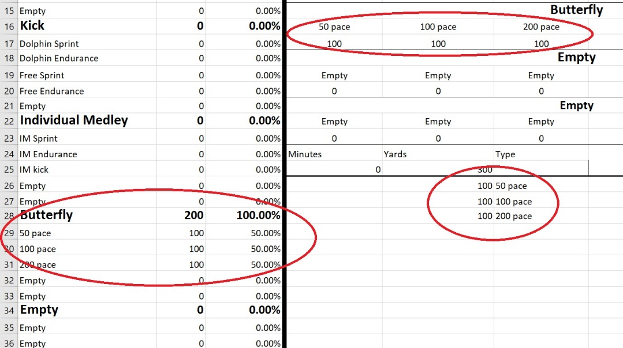

Season Totals |  |  | % | Season Training Tracker
Primary Stroke (Free) |  | 0 | #DIV/0!
 | 1* Aerobic Endurance | 0 | #DIV/0! | Created by Coach Ben Utesch of Ames Cyclone Aquatics Club!
 | 1* Aerobic Power | 0 | #DIV/0!
 | 1* Lactate | 0 | #DIV/0!
 | 1* Speed | 0 | #DIV/0!
 | 1* Drill | 0 | #DIV/0! | Welcome to the Season Training Tracker. This excel sheet is designed to be your workout writing machine which will automatically track your yards and divide them into training zones and categories you choose. It will also present those yards as weekly totals, seasonal totals and percentages. This will allow you to keep a close eye on how your training progresses throughout the season and will allow you to implement changes from season to season.
 | Empty | 0 | #DIV/0!

Secondary Stroke |  | 0 | #DIV/0!
 | 2* Aerobic Endurance | 0 | #DIV/0!
 | 2* Aerobic Power | 0 | #DIV/0!
 | 2* Lactate | 0 | #DIV/0!
 | 2* Speed | 0 | #DIV/0! | How to Use |  | www.swimsmarttoday.com
 | 2* Drill | 0 | #DIV/0!
 | Empty | 0 | #DIV/0!
 |  |  |  | On this page you will find the totals for the entire season listed here. The yards are further broken down by stroke, kick and IM. Under each of these catagories are either training zones or types of training. For instance, under the Kick category there are multiple forms and speeds of kicking so the tracker will divide up the yards appropriatley. The empty slots are for your modification if you like. Details below.
Kick |  | 0 | #DIV/0! |  |  | Follow us and stay up to date!
 | Dolphin Sprint | 0 | #DIV/0!
 | Dolphin Endurance | 0 | #DIV/0! |  |  | Facebook | https://www.facebook.com/swimsmarttoday/
 | Free Sprint | 0 | #DIV/0! |  |  | Instagram | https://www.instagram.com/swimsmarttoday/
 | Free Endurance | 0 | #DIV/0! | Each tab you see below is a week of training. Each week has slots for two workouts a day, seven days a week. You don't need to fill everything out, just fill out what you use. There is a space for you to write your sets, yards and time. What you need to do to track types of yards is to simply choose it from the drop down menu under the "Type" column. |  | Youtube | https://www.youtube.com/channel/UCZdTikJbjtbBtFtprl3dD8A
 | Empty | 0 | #DIV/0!

Individual Medley |  | 0 | #DIV/0! |  | How to Modify
 | IM Sprint | 0 | #DIV/0!
 | IM Endurance | 0 | #DIV/0!
 | IM kick | 0 | #DIV/0! |  | Our base Excel sheet tracks a primary stroke (usually freestyle), secondary stroke, Kick and IM. These are further broken down by speed and type. For instance, the primary and secondary strokes training zones are aerobic endurance, aerobic power, lactate, speed and drill. These terms may be new to you, so below are some helpful guidelines.
 | Empty | 0 | #DIV/0!
 | Empty | 0 | #DIV/0!

Empty |  | 0 | #DIV/0!
 | Empty | 0 | #DIV/0!
 | Empty | 0 | #DIV/0! |  | The Four Interval Recommendations
 | Empty | 0 | #DIV/0! |  |  | Aerobic Endurance (AE) |  | Aerobic Power (AP) | Lactate (LT) | Speed (S)
 | Empty | 0 | #DIV/0! |  | Set time | 12-60min |  | 10-30min | 4-15min | 2-5min
 | Empty | 0 | #DIV/0! | As you start filling out your sets and types of training, the yards will automatically be distrubuted throughout the Excel sheet to provide daily totals, weekly totals and seasonal totals with percentages. Check out the sample pictures below. | Rep time | 1-20min |  | 1-5min | 30s-2min | <30s
 |  |  |  |  | Rest Interval | 10s-1min |  | Rep x 0.5 | Rep x 2-3 | Rep x 6-10
 | Endurance Total | 0 | #DIV/0! |  | Heart rate goal | HR 70-80% (140-160) |  | HR 80-90% (160-180) | HR >85% (over 170) | Max HR
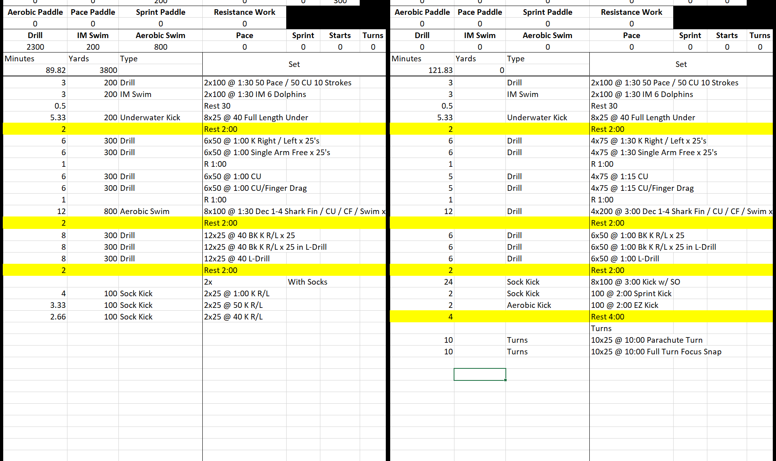
 | Power Total | 0 | #DIV/0! |  | Stress Index | 2 |  | 6 | 8 | 4
 | Lactate Total | 0 | #DIV/0! |  | Training Zone | EN1 and EN2 |  | EN 3 and SP1 | SP1-2 | SP3
 | Sprint Total | 0 | #DIV/0! |  | Other names | Endurance |  | Pace | Lactate | Sprint
 | Empty Total |  | #DIV/0! |  | Sample set | 10x200 @2:30 JMI |  | 20x50 @ 1:00 Best average | 6x100 @4:00 All out | 12x25 @ 1:30 All out
Total Yards |  | 0 | #DIV/0!

 |  |  |  |  | There are also many "empty" slots so you can add your own desired types of training like individual strokes. In order for these to work however, you will need to update the "types" dropdown menu. First, replace one of the "empty" slots with your chosen new "type" of training to the daily, weekly and seasonal tracking lists as pictured below.

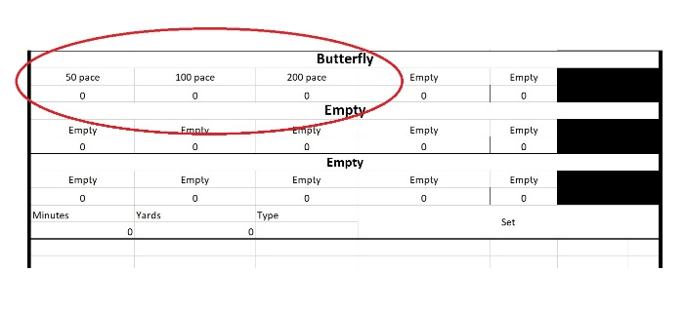

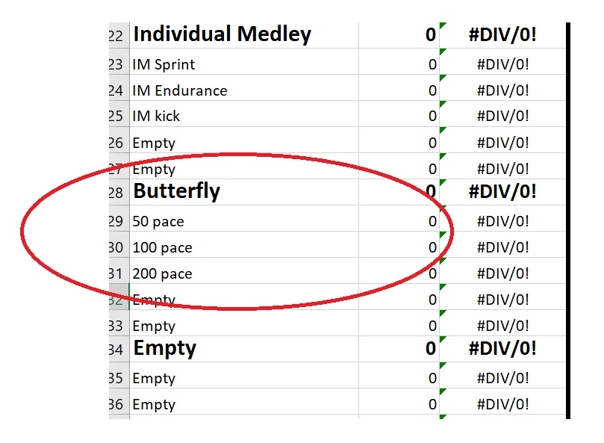
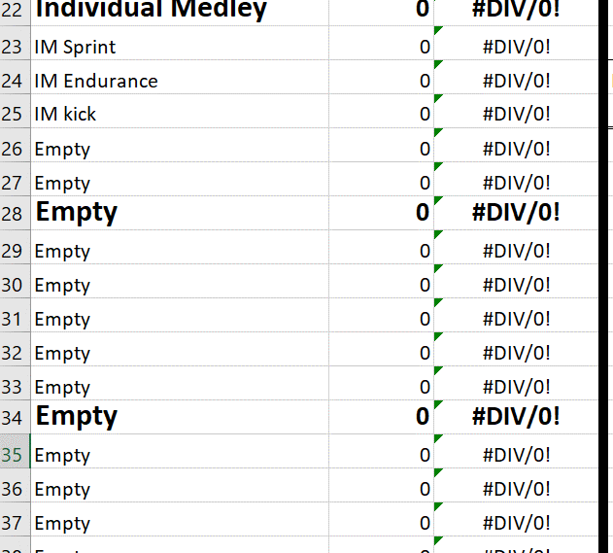

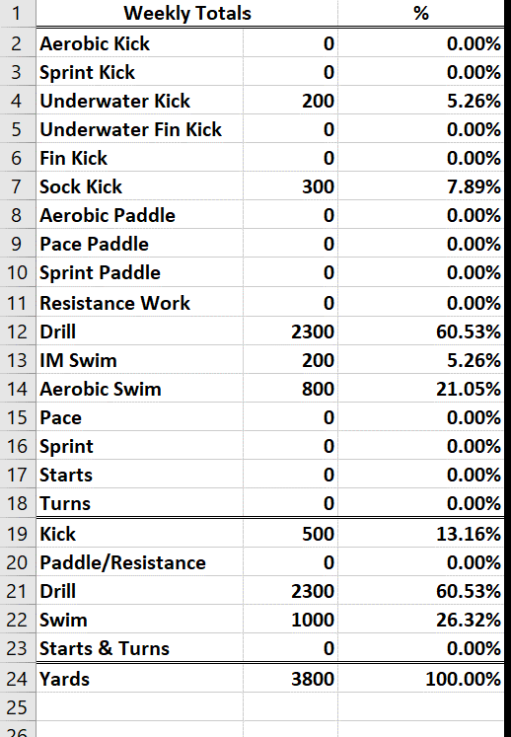
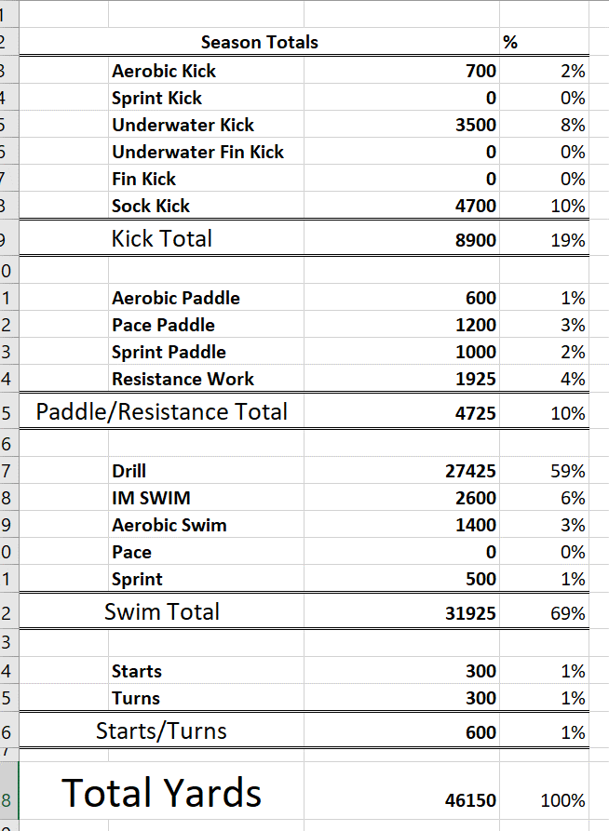

 |  |  |  |  | Next, you will need to add the new Types under the dropdown menu. Select the entire Type column, then click the "Data" tab at the top left of the Excel sheet then click the "Data Validation" button. Here is where all the options for the dropdown menu are listed. Simply add your new options separated by commas. Follow the pictures below!

